Campus Map (Daegu)
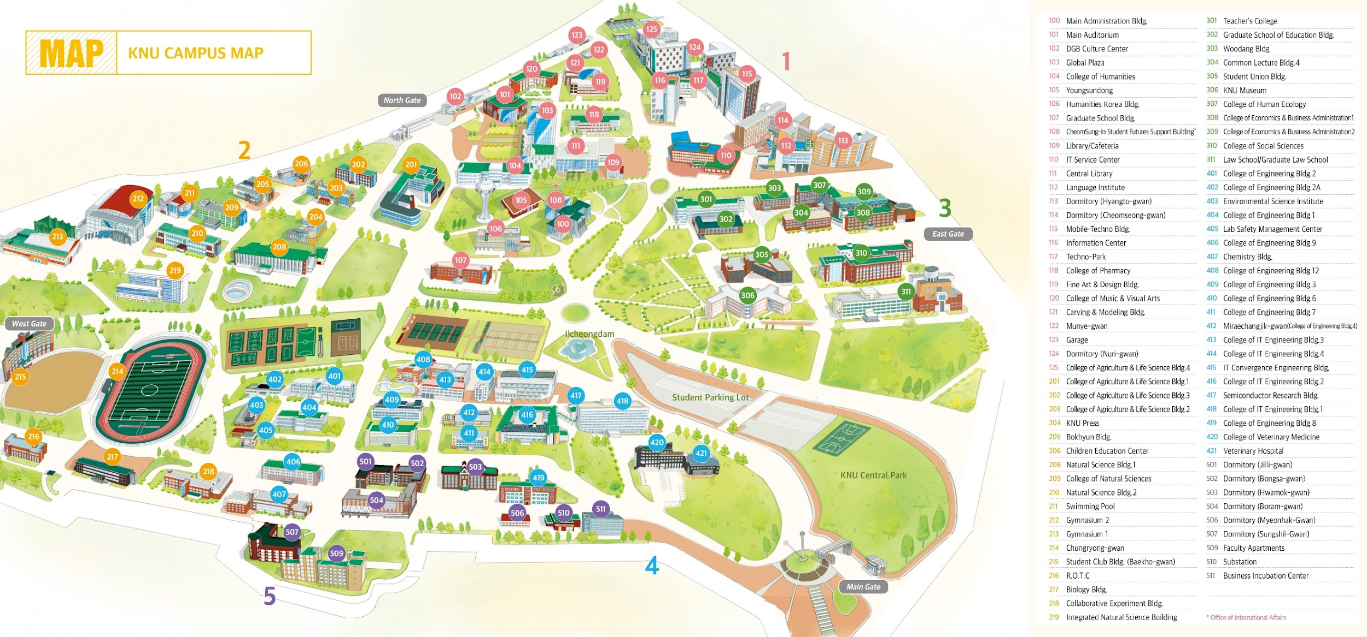
Kyungpook National University - Daegu Campus Map

